1. Title Page
Achievement 4 Final Report

Project Name: Instacart Grocery Basket Analysis
Date: 6/19/2023
Analyst Name: Kirstin Helgeson

Contents:
Population Flow
Consistency checks
Wrangling steps
Column derivations
Visualizations
Recommendations

Data Citation:
Customer data and price data were both fabricated for the purpose of this project.
"The Instacart Online Grocery Shopping Dataset 2017", accessed from http://www.instacart.com/datasets/grocery-shopping-2017 on June 5, 2023.
Customers Data Set provided by CareerFoundry

2. Population Flow
Title page

Population flow

Exclusion flag
Condition: max_order < 5
Obervations to be removed: 1,440,295
Final total count of order_products_all: 30,206964,564

Orders_products_combined
Orders_products_merged
Orders_products_all

Total: 32,404,859
Total: 32,434,489
Total: 32,404,859

1.) The grey boxes in the first row of the population flow represent the original data sets as they were when you downloaded them. In the Total fields you need to add the count of the rows when you imported the data set into Jupyter.
2.) The second row of boxes (coloured) represents the data sets after you manipulated them, e.g., removed missing values and duplicates. In the Total fields you need to add the count of the rows after conducting these operations. This offers a visual oveview of how the data flows throughout the data consistency checks.
3.) The third row, where also the arrows are coloured, represents the merges you performed between the datasets. In the Total fields you need to add the count of the rows in the merged datasets, so that you end up with the final dataset (in the red box). Keep in mind the final dataset should be without exclusions (based on the exclusion flag).

3. Consistency checks
 |  |  |  | Title page
Consistency checks

Dataset | Missing values | Missing values treatment | Duplicates
orders | 206,209 missing values were found. | No changes made because these missing values indicate a first-time order | no duplicates.
products | 16 missing values were found. | I removed these missing values. | 5 duplicates were found and removed.
orders_products_prior | no missing values found |  | No duplicates.
customers | no missing values found |  | No duplicates.

4. Wrangling steps
 |  |  |  | Title page
Wrangling steps

Columns dropped | Columns renamed | Columns' type changed | Comment/Reason
eval_set' from orders data |  |  | data not relevant for analysis
 | order_dow' to 'orders_day_of_week' from orders |  | to make column name more clear
 |  | order_id' from number to string from orders | changed from int64 to str for consistency and optimization for functions like describe()
 |  | user_id' from number to string from orders | changed from int64 to str for consistency and optimization for functions like describe()
busiest_day' from ords_prods_merged data |  |  | redundant column not needed for analysis since we also have 'busiest_days' column
Unnamed: 0.1' from orders |  |  | data not relevant for analysis
Unnamed: 0' from orders |  |  | data not relevant for analysis
Unnamed: 0' from products data |  |  | data not relevant for analysis
 | Surnam' to 'Last Name' from customers data |  | to make column name more descriptive
 | STATE' to 'State' from customers |  | to make column name same format as other column names
 |  | First Name' from mix type to string from customers | changed from mix to str for consistency and optimization for functions like describe()
First Name' from customer/merged data |  |  | security concerns because it is PII, also not necessary for our analysis
Last Name' from customer/merged data |  |  | security concerns because it is PII, also not necessary for our analysis

5. Column derivations
 |  |  |  |  | Title page

Column derivations and aggregations

Dataset | New column | Columns it was derived from | Conditions | Frequency
orders_products_merged | price_range_loc | prices | prices > 15 : 'High-range product' | High-range product' 417,678
 |  |  | prices <= 15 & prices > 5 : "Mid-range product' | Mid-range product' 21,860,860
 |  |  | prices <= 5 : 'Low-range product' | Low-range product' 10,126,321
orders_products_merged | busiest_day | orders_day_of_week | if value == 0 : 'Busiest day' | Busiest day' 6,204,182
 |  |  | elif value == 4 : 'Least busy' | Least busy' 3,783,802
 |  |  | else : 'Regularly busy' | Regularly busy' 22,416,875
orders_products_merged | busiest_days | orders_day_of_week | if value in [0, 1] : 'Busiest days' | Busiest days' 11,864,412
 |  |  | elif value in [4, 3] : 'Least busy days' | Least busy days' 7,624,336
 |  |  | else : 'Regularly busy' | Regularly busy' 12,916,111
orders_products_merged | busiest_period_of_day | order_hour_of_day | if value in [10, 11, 14, 15, 13, 12, 16, 9] : 'Most orders' | Most orders' 21,118,071
 |  |  | elif value in [17, 8, 18, 19, 20, 7, 21, 22] : 'Average orders' | Average orders' 9,997,651
 |  |  | else : 'Fewest orders' | Fewest orders' 1,289,137
orders_products_merged | loyalty_flag | max_order | max_order > 40 : 'Loyal customer' | Loyal customer' 10,284,093
 |  |  | max_order <= 40 & max_order > 10 : 'Regular customer' | Regular customer' 15,876,776
 |  |  | max_order <= 10 : 'New customer' | New customer' 6,243,990
orders_products_merged | mean_price | user_id, prices | ords_prods_merge.groupby(['user_id'])['prices'].transform(np.mean) | AGGREGATED COLUMN
orders_products_merged | spending_flag | mean_price | mean_price < 10 : 'Low spender' | Low spender' 31,770,614
 |  |  | mean_price >= 10 : 'High spender' | High spender' 634,245
orders_products_merged | median_days | user_id, days_since_prior_order | ords_prods_merge.groupby(['user_id'])['days_since_prior_order'].transform(np.median) | AGGREGATED COLUMN
orders_products_merged | frequency_flag | median_days | median_days' > 20 : 'Non-frequent customer' | Non-frequent customer' 3,636,442
 |  |  | median_days' > 10 & 'median_days' <= 20 : 'Regular customer' | Regular customer' 7,208,564
 |  |  | median_days' <= 10 : 'Frequent customer' | Frequent customer' 21,559,853
fully_combined | region | State | if value in ['Maine', 'New Hampshire', 'Vermont', 'Massachusetts', 'Rhode Island', 'Connecticut', 'New York', 'Pennsylvania', 'New Jersey'] : 'Northeast' | Northeast' 5,722,736
 |  |  | elif value in ['Wisconsin', 'Michigan', 'Illinois', 'Indiana', 'Ohio', 'North Dakota', 'South Dakota', 'Nebraska', 'Kansas', 'Minnesota', 'Iowa', 'Missouri'] : 'Midwest' | Midwest' 6,969,217
 |  |  | elif value in ['Delaware', 'Maryland', 'District of Columbia', 'Virginia', 'West Virginia', 'North Carolina', 'South Carolina', 'Georgia', 'Florida', 'Kentucky', 'Tennessee', 'Mississippi', 'Alabama', 'Oklahoma', 'Texas', 'Arkansas', 'Louisiana'] : 'South' | South' 10,791,885
 |  |  | else : 'West' | West' 8,921,021
fully_combined | customer_activity | max_order | max_order >= 5 : 'high activity' | high activity' 30,964,564
 |  |  | max_order < 5 : 'low activity' | low activity' 1,440,295
fully_combined | age_flag | Age | Age > 65 : 'Senior' | Senior' 8,088,101
 |  |  | Age <= 65 & Age > 40 : 'Middle-age' | Middle-age' 12,646,712
 |  |  | Age <= 40 : 'Young adult' | Young adult' 11,670,046
fully_combined | income_flag | income | income <= 50000 : 'low income' | low income' 3,594,083
 |  |  | income > 50000 & income <= 120000 : 'middle income' | middle income' 19,239,676
 |  |  | income > 120000 : 'high income' | high income' 9,571,100
fully_combined | family_flag | n_dependants | n_dependants == 0 : 'Single' | Single' 8,097,503
 |  |  | n_dependants != 0 : 'Family' | Family' 24,307,356

6. Visualizations
 |  |  |  |  |  | Title page

Visualisations

1. What are the busiest days of the week and hours of the day?


 |  |  |  | x-axis legend
 |  |  |  | 0=Saturday
 |  |  |  | 1=Sunday
 |  |  |  | 2=Monday
 |  |  |  | 3=Tuesday
 |  |  |  | 4=Wednesday
 |  |  |  | 5=Thursday
 |  |  |  | 6=Friday

 |  |  |  | Saturday, Sunday and Friday are the busiest days of the week.
 |  |  |  | Tuesday and Wednesday are the least busy days of the week.



 |  |  |  | The busiest time of the day is from 09:00 to 17:00.
 |  |  |  | The least busy time of day is from 00:00 to 07:00.

2. Are there particular times of the day when people spend the most money?
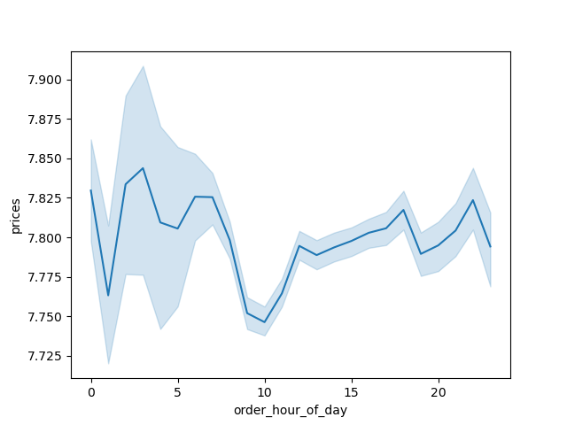

 |  |  |  | This line graph shows the average price of items ordered as well as the fluctuations by hour of the day.
 |  |  |  | Price of items ordered is more variable from 00:00 to 07:00. The average price of items ordered drops the lowest at 10:00, but the price difference from the peak at 3AM is only 1%. ((7.845-7.745)/7.745)
 |  |  |  | Therefore the difference is not significant.

3. Marketing and sales want to use simpler price range groupings to help direct their efforts.
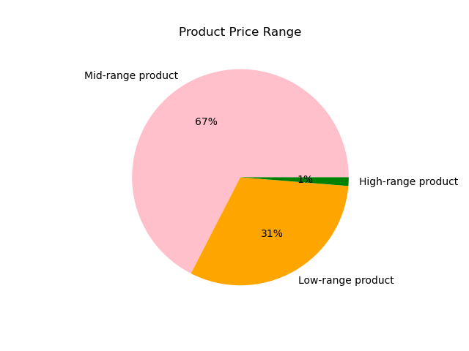

 |  |  |  | prices <= 15 & prices > 5 : 'Mid-range product'
 |  |  |  | prices <= 5 : 'Low-range product'
 |  |  |  | prices > 15 : 'High range product'
 |  |  |  | The majority (67%) of all products are mid-range products.
 |  |  |  | Only 1% of available products are high-range products.

4. Are there certain types of products that are more popular than others?
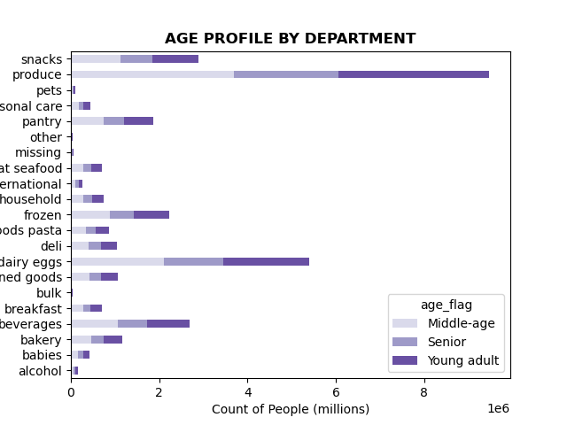

 |  |  |  | Produce, dairy and snacks are the top 3 departments. The 5 least popular products are a alcohol, pets, other, and bulk.

5a. What's the distribution among users in regards to their brand loyalty?
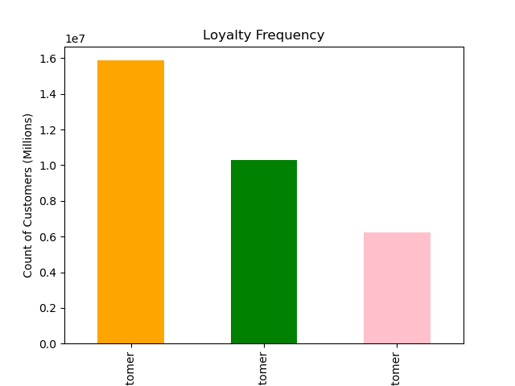

 |  |  |  | Color Legend
 |  |  |  | Orange = Regular Customer
 |  |  |  | Green = Loyal Customer
 |  |  |  | Pink = New Customer

 |  |  |  | if max_order <= 40 & max_order > 10 : 'Regular Customer'
 |  |  |  | if max_order > 40 : 'Loyal Customer'
 |  |  |  | if max_order <= 10 : 'New Customer'
 |  |  |  | Regular Customers make up 49% of all customers while 19% of customers are New customers.

5b. Are there differences in ordering habits based on a customer's loyalty status?
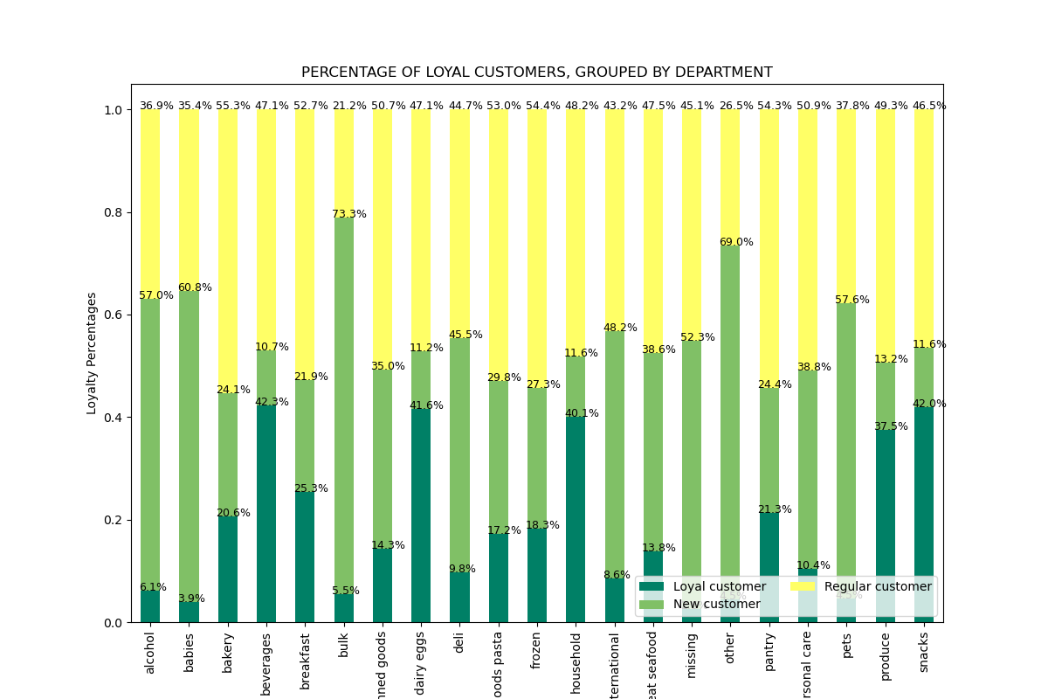

 |  |  |  |  | Top 5 departments for Loyal customers: beverages, snacks, dairy/eggs, household, produce
 |  |  |  |  | Top 5 departments for Regular customers: bakery, frozen, pantry, dry goods/pasta, breakfast
 |  |  |  |  | Top 5 departments for New customers: bulk, other, babies, pets, alcohol

 |  |  |  |  | Bottom 5 departments for Loyal customers: babies, other, pets, bulk, alcohol
 |  |  |  |  | Bottom 5 departments for Regular customers: bulk, other, babies, alcohol, pets
 |  |  |  |  | Bottom 5 departments for New customers: beverages, dairy/eggs, household, snacks, produce

 |  |  |  |  | The bottom 5 departments for loyal customers and regular customers are the same.
 |  |  |  |  | The top 5 departments for loyal customers are the same as the bottom 5 departments for new customers.
 |  |  |  |  | The top 5 departments for new customers are the same as the bottom 5 departments for loyal customers and regular customers.

5c. Are there differences in ordering habits based on a customer's region?
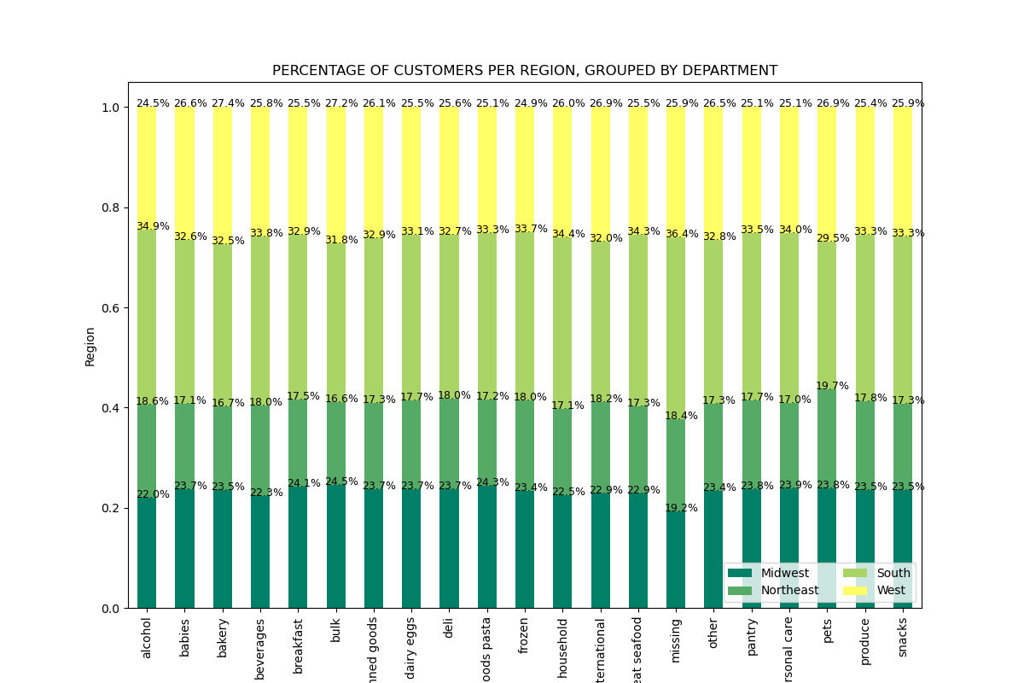

 |  |  |  |  | Ordering across all departments is consistent for all 4 regions.
 |  |  |  |  | No patterns to determine based on region.
 |  |  |  |  | The South is making the highest number of orders.

5d. Is there a connection between age and family status in terms of ordering habits?
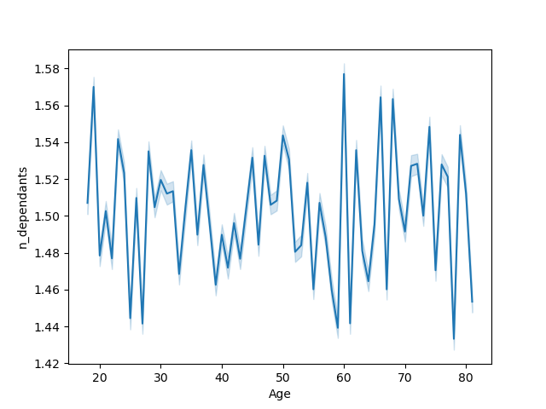

 |  |  |  | Erratic jumps shown to the left indicate there is not a relationship between age and the number of dependants.



 |  |  |  | The majority of people altogether earn $200,000 per year. People older than 40 make up to $600,000 per year.
 |  |  |  | This graph says nothing about ordering habits but rather how a specific age group could be targeted for having an overall higher spending power.

5e. What different classifications does the demographic information suggest? Age? Income? Certain types of goods? Family status?

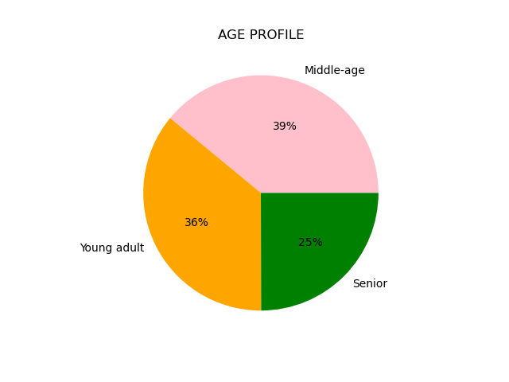
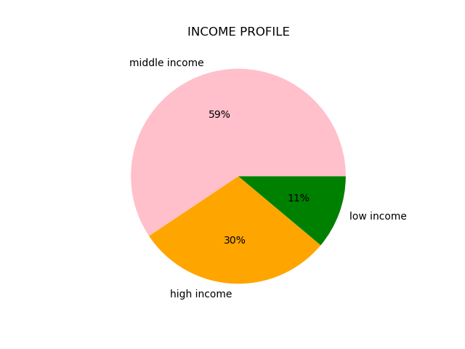

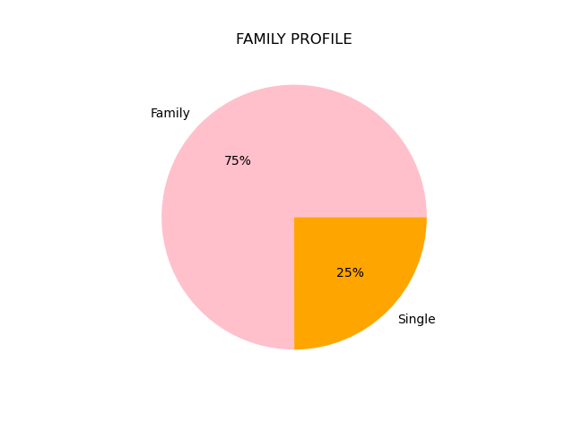

 |  | Middle-age customers make up the majority at 39%, followed by young adult and Senior. However, there is no significant difference between the 3 age groups. | Middle income customers make up the majority at 59% followed by high income and low income. | The majority (75%) of customers are Family (have depdendants) while only 25% of customers are Single (no dependants).
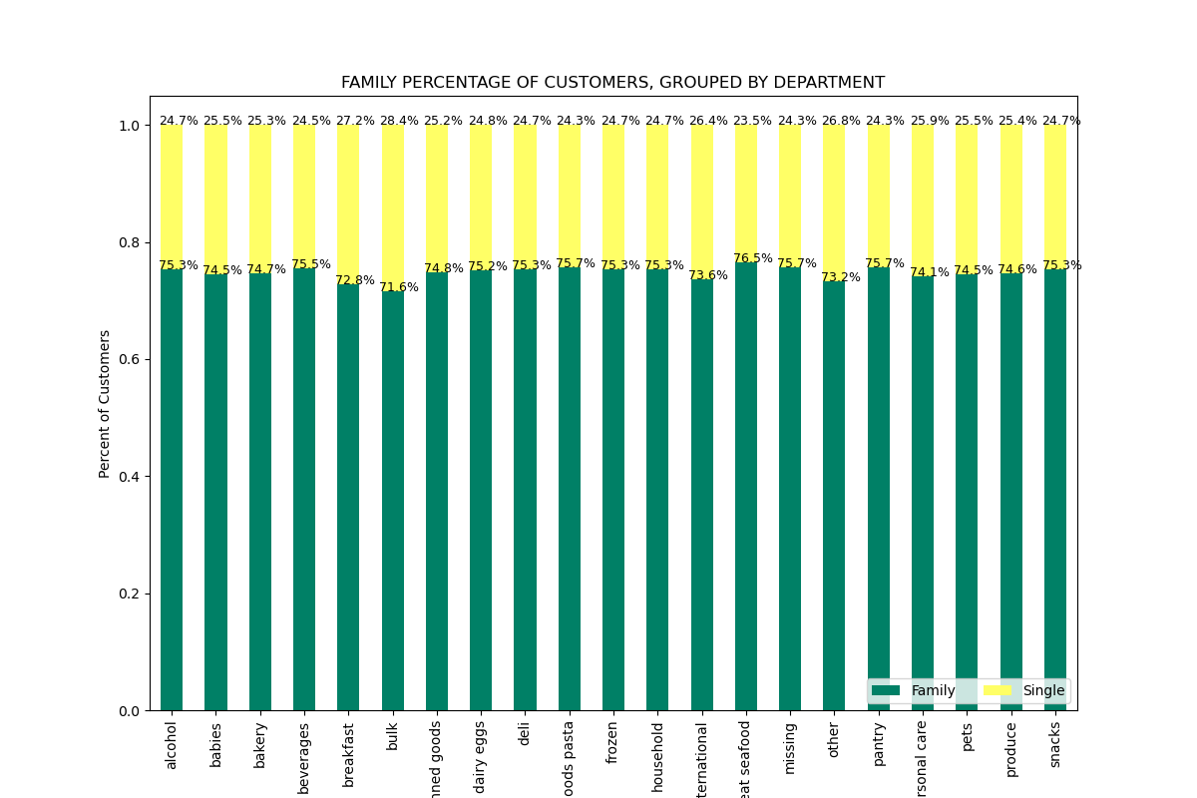

5f. What differences can you find in ordering habits of different customer profiles?
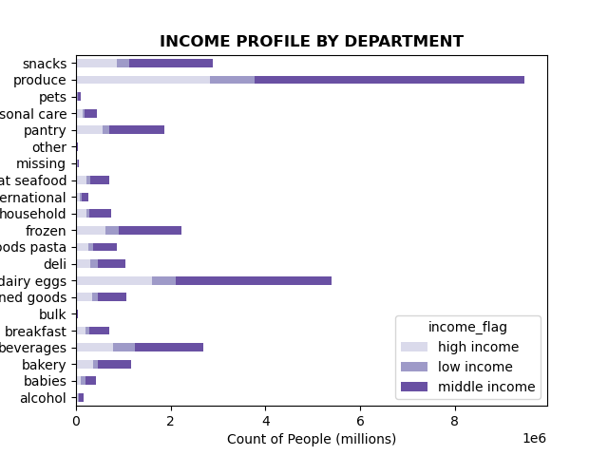

 | Produce is ordered the most across all age groups and income groups.
 | Middle income customers are ordering the most, and the top 3 things they order are produce, dairy/eggs, and snacks.
 | Even though we saw that family orders make up 75% of all orders, the ordering habits of Single vs. Family orders is very similar in all departments.
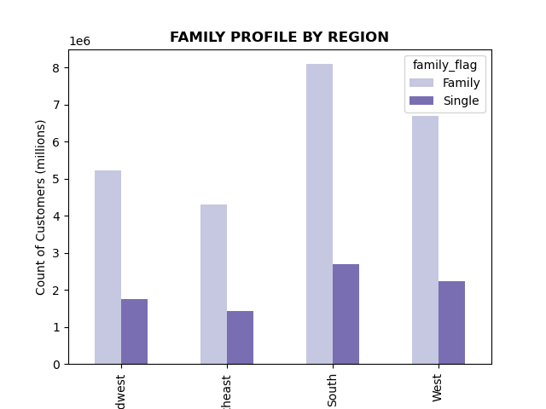
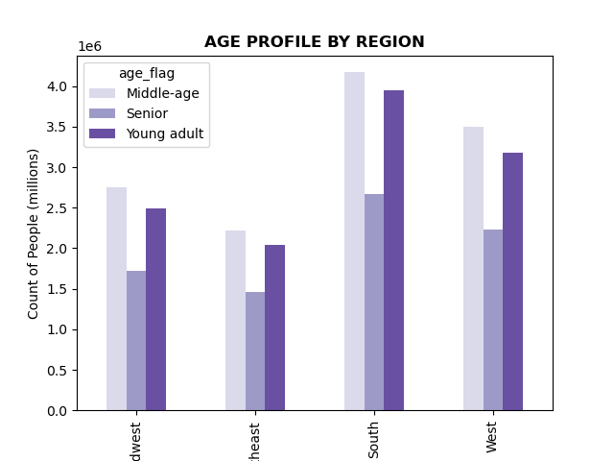
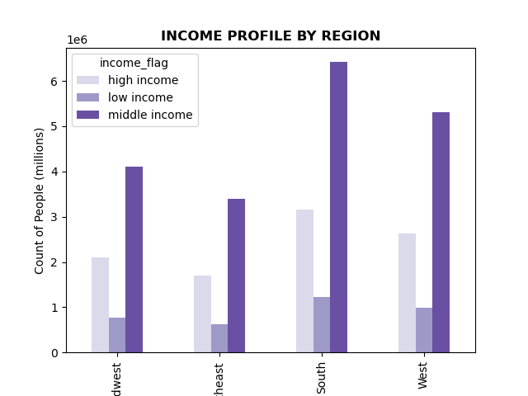

 |  | Middle-age customers make up the majority of customers in all regions followed by young adult customers.
 |  | Middle income customers make up the majority of customers in all regions followed by high income customers.
 |  | Family customers (have dependants) make up the majority of customers in all regions.
 |  | The South has the most customers in general.

7. Recommendations
 |  | Title page

Recommendations

1. What are the busiest days of the week and busiest hours of the day?
A: Saturday, Sunday and Friday are the busiest days of the week. Tuesday and Wednesday are the least busy days of the week. The busiest time of the day is from 09:00 to 17:00. The least busy time of day is from 00:00 to 07:00.
Recommendations: Schedule ads on Tuesday and Wednesday starting 15:00 since sales start decreasing after 15:00 until 06:00 the next morning.

2. Are there particular times of the day when people spend the most money?
A: Price of items ordered is more variable from 00:00 to 07:00. The average price of items ordered drops the lowest at 10:00, but the price difference from the peak at 3AM is only 1%. ((7.845-7.745)/7.745)
Recommendations: Instacart could place more ads for high-priced products in the early morning hours from 04:00 to 07:00. This likely won't drastically affect revenue but could still contribute.

3. Marketing and sales want to use simpler price range groupings to help direct their efforts.
A: | prices <= 15 & prices > 5 : 'Mid-range product'
 | prices <= 5 : 'Low-range product'
 | prices > 15 : 'High range product'
 | The majority (67%) of all products are mid-range products.
 | Only 1% of available products are high-range products.

4. Are there certain types of products that are more popular than others?
A: Produce, dairy and snacks are the top 3 departments. The 5 least popular products are a alcohol, pets, other, and bulk.
Recommendations: Either advertise the top 3 departments that already see a majority of orders, or try to find the reasons behind the 5 least popular departments and increase advertising efforts for those to increase their sales.

5a. What's the distribution among users in regards to their brand loyalty?
A: if max_order <= 40 & max_order > 10 : 'Regular Customer'
if max_order > 40 : 'Loyal Customer'
if max_order <= 10 : 'New Customer'
Regular Customers make up 49% of all customers while 19% of customers are New customers.
Recommendations: To increase regular customer loyalty, Instacarft could implement a rewards program that offers discounts. Instacart could also provide incentives for regular customers to recommend Instacart to new customers.

5b. Are there differences in ordering habits based on a customer's loyalty status?
A: Top 5 departments for Loyal customers: beverages, snacks, dairy/eggs, household, produce
Top 5 departments for Regular customers: bakery, frozen, pantry, dry goods/pasta, breakfast
Top 5 departments for New customers: bulk, other, babies, pets, alcohol
Bottom 5 departments for Loyal customers: babies, other, pets, bulk, alcohol
Bottom 5 departments for Regular customers: bulk, other, babies, alcohol, pets
Bottom 5 departments for New customers: beverages, dairy/eggs, household, snacks, produce
The bottom 5 departments for loyal customers and regular customers are the same.
The top 5 departments for loyal customers are the same as the bottom 5 departments for new customers.
The top 5 departments for new customers are the same as the bottom 5 departments for loyal customers and regular customers.
Recommendations: It is recommended to introduce targeted ads for the bottom 5 departments for loyal and regular customers to increase revenue for those, else further investigation can continue to see why those are the bottom 5 departments for Instacart's loyal and regular customers. Likewise it would be worth further analysis to understand why the top 5 departments for loyal customers are the bottom 5 departments for new customers. What leads to loyal customers ordering the most from the departments that new customers order from the least? And why do new customers order mostly from departments that loyal and regular customers order from the least? Maybe we could have targeted ads directed to new customers for these products that are popular with loyal customers, something like "Here are the items our loyal customers enjoy". For further recommendation on this, more analysis is needed.

5c. Are there differences in ordering habits based on a customer's region?
A: Ordering across all departments is consistent for all 4 regions. No patterns to determine based on region. The South is making the highest number of orders.
Recommendations: The South consistently has the most customers/orders, so Instacart should identify what contributes to this and apply similar strategies to other regions starting with the Northeast.

5d. Is there a connection between age and family status in terms of ordering habits?
A: There is not a relationship between age and the number of dependants. If we instead consider age and income, the majority of people altogether earn $200,000 per year. People older than 40 make up to $600,000 per year.
Recommendations: Further investigation into customers over 40 is recommended because of their significant spending power. Advertisements should be tailored specifically to this group.

5e. What different classifications does the demographic information suggest? Age? Income? Certain types of goods? Family status?
A: Middle-age customers make up the majority at 39%, followed by young adult and Senior. However, there is no significant difference between the 3 age groups. Middle income customers make up the majority at 59% followed by high income and low income. The majority (75%) of customers are Family (have depdendants) while only 25% of customers are Single (no dependants).
Recommendations: Advertising affordable products within departments like produce, babies, and pantry items to middle-age customers and family customers who generate significant revenue is recommended along with targeted cost-saving promotions for low income customers.

5f. What differences can you find in ordering habits of different customer profiles?
A: Produce is ordered the most across all age groups and income groups.
Middle income customers are ordering the most, and the top 3 things they order are produce, dairy/eggs, and snacks.
Even though we saw that family orders make up 75% of all orders, the ordering habits of Single vs. Family orders is very similar in all departments.
Middle-age customers make up the majority of customers in all regions followed by young adult customers.
Middle income customers make up the majority of customers in all regions followed by high income customers.
Family customers (have dependants) make up the majority of customers in all regions.
The South has the most customers in general.
Recommendations: See 5e as the recommendations are the same regarding demographic information of customers. The only thing is Instacart should note that the South region is the region contributing most to revenue so if we can find out why, we can implement similar strategies elsewhere.

